Example Backgroudn
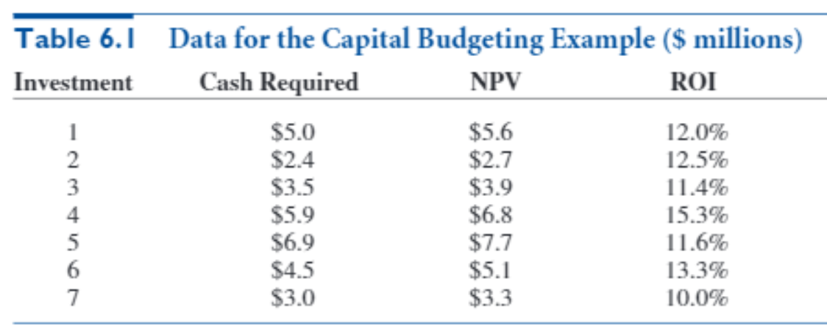
The Tatham Company is considering seven investments. The cash required for each investment and the net present value (NPV) each investment adds to the firm are listed in Table 6.1. Each NPV is based on a stream of future revenues, and it includes the cash requirement, which is incurred right away. The table also lists the return of investment (ROI) for each investment, defined as the ratio of NPV to cash required, minus 1. The budget for investment is $15 million. Tatham wants to find the investment policy that maximizes its total NPV. The crucial assumption here is that if Tatham wants to take part in any of these investments, it must go all the way. It cannot, for example, go halfway in investment 1 by investing $2.5 million and realizing an NPV of $2.8 million. In fact, if partial investments were allowed, you wouldn’t need IP; you could use LP.

Big Picture
Capital Budgeting

Whether to invest
Investment cost

Total cost of investments
Budget
<=

Maximize total NPV
Investment NPV

